CP Governance Framework
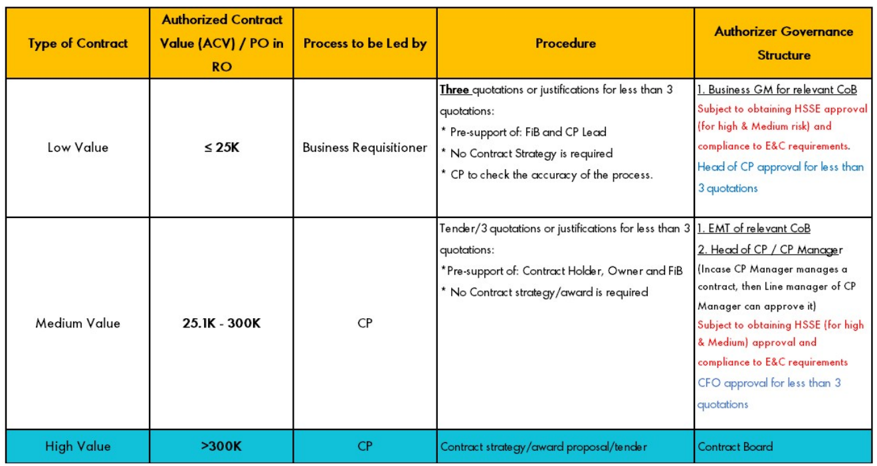

Contract board are GM's of the company (Executive Members of the Team)

